Obj-EXAMPLE
 | https://eclipse-online.com
 | support@eclipse-online.com
 | 586.263.1775

 | Top Objectives
1 | We want to get quotes to customers within 24 hours.
2 | We want our quoting system to pull product availability and pricing from our inventory management system.
3 | We want our quoting system to automatically send email reminders to customers before the quote expires.

 | Process Steps
 | Either document the steps here OR copy a Viseo / Miro workflow OR point to a SOP (standard operating procedure) document
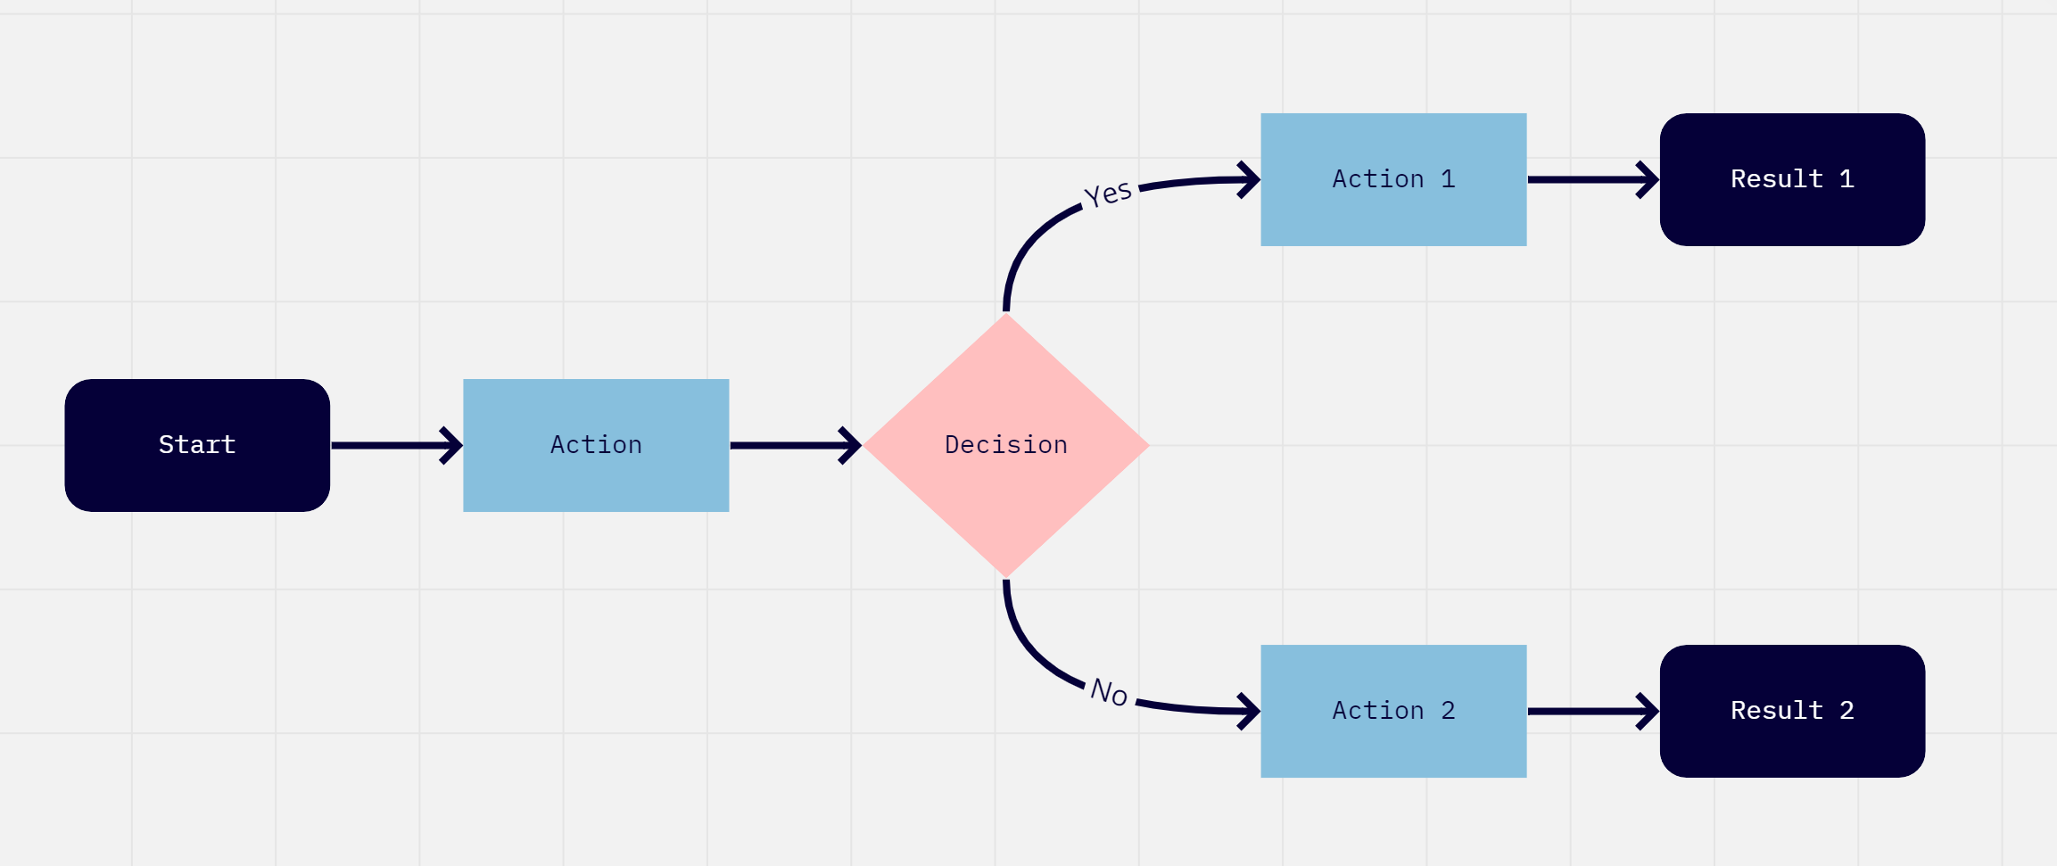
STEPS | EXAMPLE: CREATING A QUOTE TO RENT A BOUNCE HOUSE
1 | Customer calls and asks for a quote - OR - Customer fills out form on the website
2 | Sales rep calls to clarify:
 | Customer contact information
 | Date of event (finds out if date is flexible)
 | Location of event
 | Type of bounce house needed

3 | Sales rep checks map to make sure the event is being held in our service area
4 | Sales rep enters event date into quoting system
5 | System checks to see which bounce houses are available on that date
 | If no bounce houses are available on the date requested, system proposes alternate dates
 | If a particular bounce house is not available on the date requested, system proposes alternative bounce house styles
6 | Quote is created, and bounce house is marked as a "HOLD" in inventory system
7 | Price is pulled from inventory system
8 | Quote is sent to customer by email
9 | If quote is not returned with payment in 48 hours, the HOLD is removed
10 | Once quote and payment are received
 | Item is removed from inventory availability
 | Payment is marked received in accounting system
 | Dispatch is scheduled for event date
 | Pick up is scheduled for event date +1
 | Survey & coupon for future event is sent for event date +1

 | Exceptions

 | Some clients want to be invoiced instead of pay by credit card
 | We offer volume or loyalty discounts to certain clients
 | Over holiday dates, we charge a 20% surge price

 | DOES THE SOFTWARE NEED TO HANDLE THESE EXCEPTIONS?

